Bug report
Bug ID | Description | Steps to Reproduce | Expected Result | Actual Result | Severity | Priority | Screenshot

B2 | Thank you for registering email is not received to the registered email address after registering an account | 1. Open the Application URL 2. Click on 'My Account' dropmenu 3. Select 'Register' option 4. Enter the new user valid details into the 'Register Account' page 5. Select the 'Privacy Policy' checkbox option 6. Click on 'Continue' button | User Account should be created and an email with the subject 'Thank you for registering' should be received by the registered email address | User Account is getting created, but the email with subject 'Thank you for registering' is not received to the registred email address | Major | P1
B3 | Privacy Policy checkbox field in 'Register Account' page is not marked with red color * symbol | 1. Open the Application URL 2. Click on 'My Account' dropmenu 3. Select 'Register' option 4. Check the 'Privacy Policy' checkbox field in the displayed 'Register Account' page | Privacy policy check box field should be marked with red color * symbol | Privacy Policy check box field is mandatory but not marked with red color * symbol | Minor | P2 | 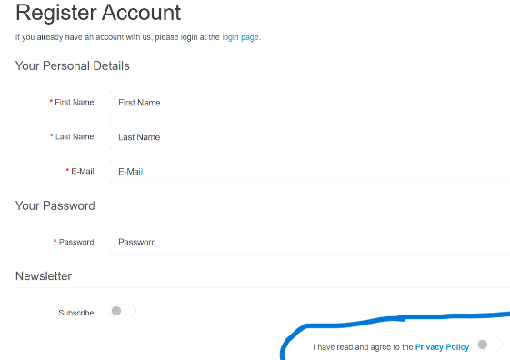
B4 | Password and password confirm fields in Register Account page are accepting simple passwords | 1. Open the application URL 2. Click on My Account dropmenu 3. Select Register option 4. Enter details into all the mandatory fields 5. Enter simple password 'abcd' into password and password confirm fields 6. Select privacy policy check box field 7. click on continue button | Warning message informing the User to enter a password matching the comple xity standards should be displayed | Simple password got accepted and there is no warning message regarding the complexity standards of the password | Major | p1
B5 | Leading and trailing spaces are accepted by the text fields in the Register account page | 1. Open the application URL 2.Click on My Account dropmenu 3. Select Register option 4. Enter leading and trailing spaces to the text fields in the regisetr account page 5. Select privacy policy check box field 6. Click on Continue button | Leading and Trailing spaces should not be accepted by the text fields in the 'Register Account' page | Leading and trailing spaces are accepted by the text fields in the 'Register Account' page and account is getting created | Minor | P1 | 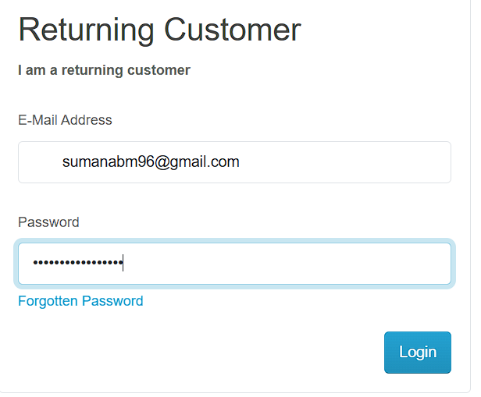
B6 | Using Tab keyboard key is not highlighting the 'Search in subcategory' checkbox field | 1.Open application URL 2.Click on 'Search' icon without entering any product name 3.In the displayed 'Search' page , continuesly press 'Tab' keyboard key | All the options on the search page should get highlighted or focused | Search in Subcategories' checkbox field is not highlighted or focused | Minor | P2

